Shoes
Ladies Shoes
Avg. Retail: | $66.00
Fabrications: | Leather, Textile, PU
Total Units: | 20,438
Total CCs: | 537

117671 | 161245 | 141753
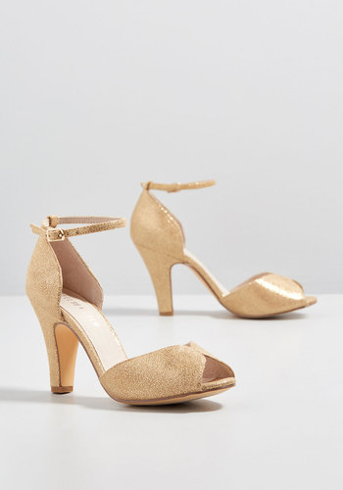 | 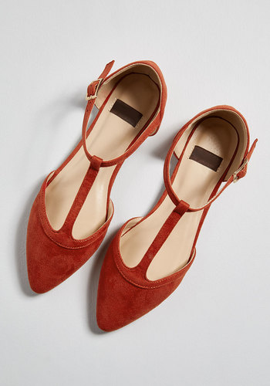 | 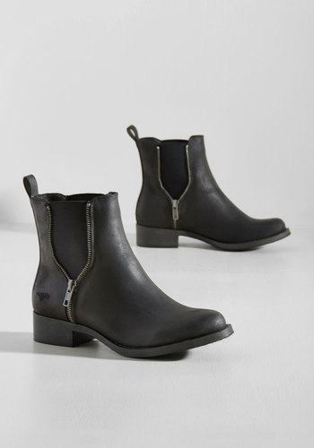

164088 | 161594 | 159983
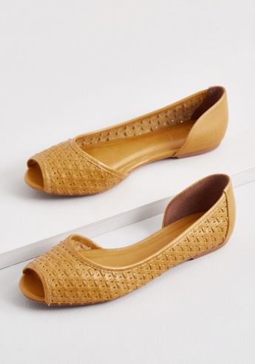 | 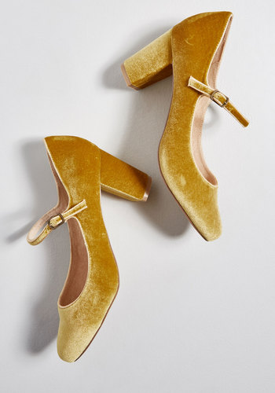 | 